Sheet1
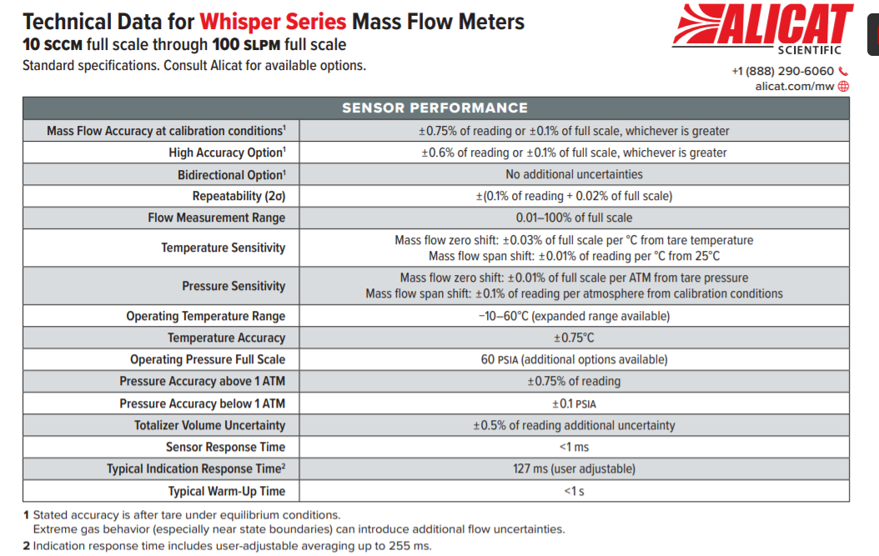

Our STP conditions are 30 in HG and 60F
Nominal (SLPM) | Tol - | Tol + |  | 0.60% | 0.10%
4 | 3.96 | 4.04 |  | 0.024 | 0.04
8 | 7.952 | 8.048 |  | 0.048 | 0.04
12 | 11.928 | 12.072 |  | 0.072 | 0.04
We actually use SCFH. If SLPM is easier for you that is fine. Just understand you will always need to change units.
16 | 15.904 | 16.096 |  | 0.096 | 0.04
20 | 19.88 | 20.12 |  | 0.12 | 0.04
24 | 23.856 | 24.144 |  | 0.144 | 0.04
28 | 27.832 | 28.168 |  | 0.168 | 0.04
32 | 31.808 | 32.192 |  | 0.192 | 0.04
36 | 35.784 | 36.216 |  | 0.216 | 0.04
40 | 39.76 | 40.24 |  | 0.24 | 0.04

Nominal (SFt^3) | Tol - | Tol + | 1.10% |  |  | Nominal (Fahrenheit) | Tol - | Tol + | 1.35 F
10 | 9.89 | 10.11 | 0.11 |  |  | 14 | 12.65 | 15.35 | 1.35
20 | 19.78 | 20.22 | 0.22 |  |  | 20 | 18.65 | 21.35 | 1.35
30 | 29.67 | 30.33 | 0.33 |  |  | 30 | 28.65 | 31.35 | 1.35
40 | 39.56 | 40.44 | 0.44 |  |  | 40 | 38.65 | 41.35 | 1.35
50 | 49.45 | 50.55 | 0.55 |  |  | 50 | 48.65 | 51.35 | 1.35
60 | 59.34 | 60.66 | 0.66 |  |  | 60 | 58.65 | 61.35 | 1.35
70 | 69.23 | 70.77 | 0.77 |  |  | 70 | 68.65 | 71.35 | 1.35
80 | 79.12 | 80.88 | 0.88 |  |  | 80 | 78.65 | 81.35 | 1.35
Is this correct +/- 0.6% + +/-0.5%
Do you check this?
90 | 89.01 | 90.99 | 0.99 |  |  | 90 | 88.65 | 91.35 | 1.35
100 | 98.9 | 101.1 | 1.1 |  |  | 100 | 98.65 | 101.35 | 1.35
110 | 108.79 | 111.21 | 1.21 |  |  | 110 | 108.65 | 111.35 | 1.35
120 | 118.68 | 121.32 | 1.32 |  |  | 120 | 118.65 | 121.35 | 1.35
130 | 128.57 | 131.43 | 1.43 |  |  | 130 | 128.65 | 131.35 | 1.35
140 | 138.46 | 141.54 | 1.54 |  |  | 140 | 138.65 | 141.35 | 1.35
150 | 148.35 | 151.65 | 1.65

 |  |  |  |  |  | Barometric Pressure

Need information for calibration tolerances for barometric pressure
Nominal (inHgA) | Tol - | Tol + |  |  |  | Nominal (inHgA) | Tol - | Tol +
29.9213 | 29.69689025 | 30.14570975 |  | 0.22440975
30 | 29.775 | 30.225 |  | 0.225
31 | 30.7675 | 31.2325 |  | 0.2325
We use (inHgA). Our gauge pressure generally ranges from 3.5-14 in water
32 | 31.76 | 32.24 |  | 0.24
33 | 32.7525 | 33.2475 |  | 0.2475
34 | 33.745 | 34.255 |  | 0.255

How do you calibrate this? What range? We use NG and Propane. Maximum ~14 in W.C.

